Dashboard
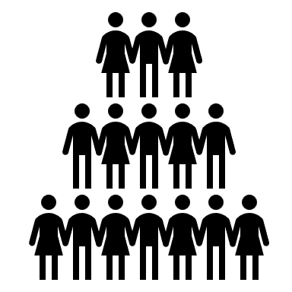
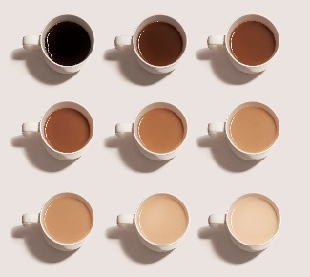

 |  |  |  |  |  |  | Sheet Protected NO PASSWORD
 |  |  |  |  |  | Multiple combinations
 |  |  |  | An |  | of different coffee
Coffee preferences |  | 5 |  | American |  | featuires
 |  | Generations |  | population of |  | and
 |  |  |  | 4000 people |  | characteristics

Roast level popularity
 | <18 years old | >65 years old | 18-24 years old | 25-34 years old | 35-44 years old | 45-54 years old | 55-64 years old
Blonde | 0 | 3 | 6 | 33 | 24 | 4 | 4
Dark | 3 | 24 | 51 | 159 | 85 | 42 | 44
French | 0 | 2 | 1 | 6 | 2 | 4 | 6
Italian | 0 | 1 | 1 | 9 | 6 | 4 | 2
Light | 11 | 13 | 191 | 970 | 442 | 109 | 36
Medium | 5 | 49 | 179 | 733 | 366 | 131 | 92
Nordic | 0 | 2 | 8 | 43 | 21 | 4 | 0
 | Millenials drink coffee the most
Roast level preferences across age groups
 | Blonde | Dark | French | Italian | Light | Medium | Nordic
<18 years old | 0 | 3 | 0 | 0 | 11 | 5 | 0
>65 years old | 3 | 24 | 2 | 1 | 13 | 49 | 2
18-24 years old | 6 | 51 | 1 | 1 | 191 | 179 | 8
25-34 years old | 33 | 159 | 6 | 9 | 970 | 733 | 43
35-44 years old | 24 | 85 | 2 | 6 | 442 | 366 | 21
45-54 years old | 4 | 42 | 4 | 4 | 109 | 131 | 4
55-64 years old | 4 | 44 | 6 | 2 | 36 | 92 | 0
(blank) | 0 | 1 | 0 | 0 | 6 | 2 | 0
Generations of participants
Gen Alpha | 19
GenZ | 437
Millenials | 1953
Gen X | 1244
Baby Boomers | 278
 |  |  | Millenials (ages 25-34 ) had the most variable taste
 |  |  | in cofee roast levels followed by Gen X (ages 35-44)

 |  |  | Generation Alpha and those above
 |  |  | the age 65 had the least variable tastes in cofee roast levels

Participant age distribution
<18 | 0.49862877088
18-24 | 11.493393169
25-34 | 49.513836948
35-44 | 23.934181002
45-54 | 7.5292944403
55-64 | 4.6621790077
>65 | 2.3684866617
 |  |  | Generation Alpha and those above age 65
 |  |  | only liked a few different coffee roast levels

Frequency as a favourite across age groups
Blonde | 1.758198289
Italian | 0.68814001495
French | 1.0683257319
Nordic | 1.3888884472
Light | 38.280605656
Medium | 41.369356971
Dark | 15.44648489

17

 |  |  |  |  | On average, per age group mediuem roasted
 |  |  |  |  | coffee was the most well-liked as a favourite

Out of the participants who like coffee,
millenials spend the most money
Money spent on coffee per age group
 | $20-$40 | $40-$60 | $60-$80 | $80-$100 | <$20 | >$100
Dislike the taste of coffee <18 years old | 0 | 0 | 0 | 0 | 1 | 0
Dislike the taste of coffee >65 years old | 0 | 0 | 0 | 0 | 3 | 0
Dislike the taste of coffee 18-24 years old | 2 | 1 | 0 | 1 | 8 | 0
Dislike the taste of coffee 25-34 years old | 8 | 4 | 0 | 2 | 39 | 1
Dislike the taste of coffee 35-44 years old | 5 | 3 | 1 | 0 | 12 | 0
Dislike the taste of coffee 45-54 years old | 2 | 1 | 1 | 0 | 4 | 0
Dislike the taste of coffee 55-64 years old | 1 | 0 | 0 | 0 | 1 | 0
Enjoy the taste of coffee <18 years old | 3 | 3 | 1 | 0 | 4 | 0
Enjoy the taste of coffee >65 years old | 27 | 14 | 7 | 3 | 11 | 2
Enjoy the taste of coffee 18-24 years old | 174 | 88 | 28 | 12 | 60 | 8
Enjoy the taste of coffee 25-34 years old | 652 | 558 | 196 | 104 | 169 | 55
Enjoy the taste of coffee 35-44 years old | 262 | 266 | 112 | 63 | 72 | 52
Enjoy the taste of coffee 45-54 years old | 89 | 73 | 27 | 27 | 18 | 10
Enjoy the taste of coffee 55-64 years old | 62 | 36 | 14 | 10 | 23 | 1
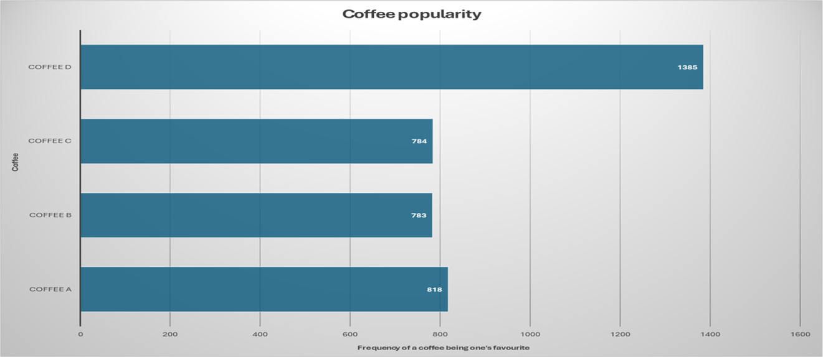

 |  |  |  |  |  |  |  | Coffee D type
 |  |  |  |  |  |  |  | coffee was bought
 |  |  |  |  |  |  |  | the most

43831 | 46
43832 | 55
43833 | 50
43834 | 50
43835 | 52
43836 | 41
43837 | 47
43838 | 51
43839 | 50
43840 | 48
43841 | 60
43842 | 51
43843 | 42
43844 | 58
43845 | 53
43846 | 60
43847 | 49
43848 | 49
43849 | 41
43850 | 58
43851 | 48
43852 | 42
43853 | 42
43854 | 42
43855 | 56
43856 | 56
43857 | 53
43858 | 45
43859 | 57
43860 | 45
43861 | 56
43862 | 47
43863 | 58
43864 | 46
43865 | 50
43866 | 51
43867 | 51
43868 | 49
43869 | 58
43870 | 58
43871 | 40
43872 | 58
43873 | 54
43874 | 45
43875 | 59
43876 | 50
43877 | 55
43878 | 53
43879 | 49
43880 | 56
...

